1. Title Page
Shopping Cart Analysis

Project Name: Instacart Shopping Cart Analysis
Date: March 9, 2021
Analyst Name: Candace Bailey

Contents:
Population Flow
Consistency checks
Wrangling steps
Column derivations
Visualizations
Recommendations

Citation: “The Instacart Online Grocery Shopping Dataset 2017”, Accessed from https://www.instacart.com/datasets/grocery-shopping-2017 on <date>.

2. Population Flow
Title page

Population flow

Exclusion flag
Condition: max_order <
Obervations to be removed:
Final total count of order_products_all:

Orders_products_combined
Orders_products_merged
Orders_products_all

Total:32,434,489
Total: 32,434,489
Total: 32,434,489

1.) The grey boxes in the first row of the population flow represent the original data sets as they were when you downloaded them. In the Total fields you need to add the count of the rows when you imported the data set into Jupyter.
2.) The second row of boxes (coloured) represents the data sets after you manipulated them, e.g., removed missing values and duplicates. In the Total fields you need to add the count of the rows after conducting these operations. This offers a visual oveview of how the data flows throughout the data consistency checks.
3.) The third row, where also the arrows are coloured, represents the merges you performed between the datasets. In the Total fields you need to add the count of the rows in the merged datasets, so that you end up with the final dataset (in the red box). Keep in mind the final dataset should be without exclusions (based on the exclusion flag).

3. Consistency checks
 |  |  |  | Title page
Consistency checks

Dataset | Missing values | Missing values treatment | Duplicates
orders | 206209 | Kept missing vlalues in days_since_prior_order field | 0
products | 16 | Removed missing product name values | 5
orders_products_prior | 0 |  | 0
customers | 11259 | Removed values with missing First Name | 0

4. Wrangling steps
 |  |  |  | Title page
Wrangling steps

Columns dropped | Columns renamed | Columns' type changed | Comment/Reason
eval_set |  |  | data not useful for analysis
Unnamed: 0 |  |  | data not useful for analysis
Unnamed: 0.1 |  |  | data not useful for analysis
First Name |  |  | PII security
LastName |  |  | PII security
_merge |  |  | data not useful for analysis
 | n_dependants : number_of_dependants |  | Changed field name to better explain details
 | order_dow : orders_day_of_the_week |  | Changed field name to better explain details
 | Surname : LastName |  | Changed field name to better explain details
 | fam_status : family_status |  | Changed field name to better explain details
 |  | order_id - string | no mathematical value to order_id column

6. Visualizations
Title page

Visualisations

In this tab you should include all the visualtions from Exercises 4.9 and 4.10, alongside the questions from the project brief that they answer. Include any commentary on the relationship between different variables.

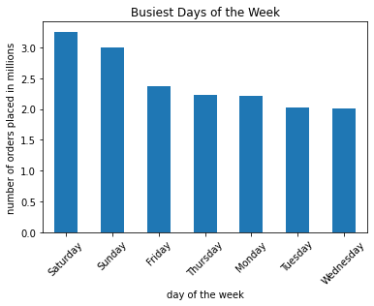

Sunday and Monday are the busiest days of the week for orders on Instacart.

Busiest Hours
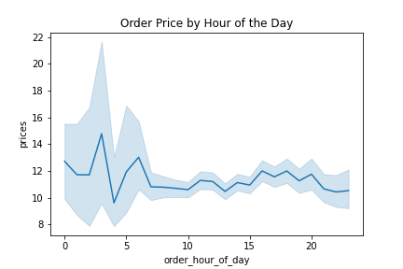
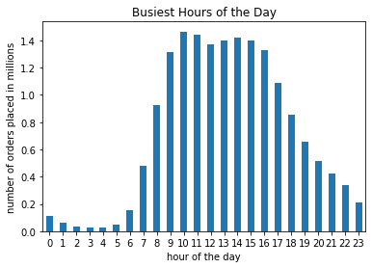

The busiest hours of the day are from 10am to 11am. Customers tend to purchase higher priced orders earlier in the day.

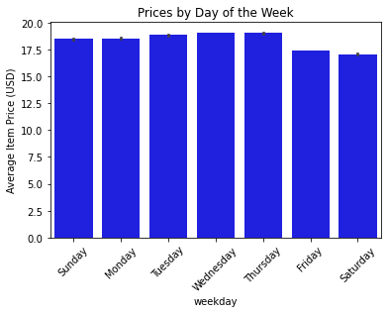

The average order price per day was highest on Thursday and Lowest on Sunday. This could be an indicator as to why Saturday, Sunday and Friday are the busiest days for Instacart shopping.

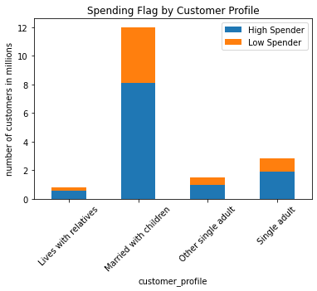
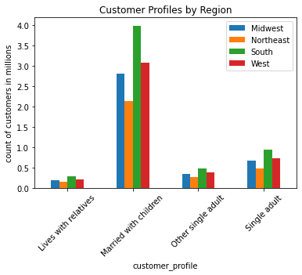

Customer profiles are distributed evenly across grographic regions.
Married customers with children make up the largest percentage of instacart users across regions.
It would be beneficial to market lower priced items or sales to those living with relatives and customers that are married with children.

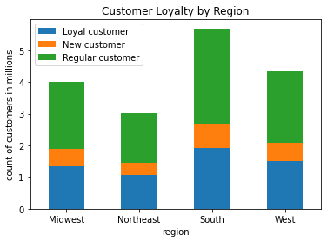
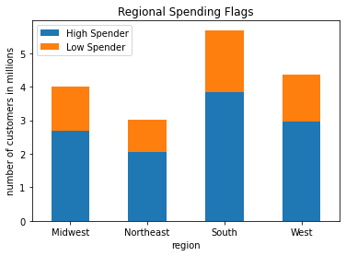

The South has the largest amount of regular customers and high spenders across regions.

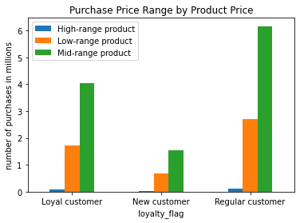
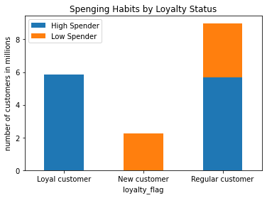
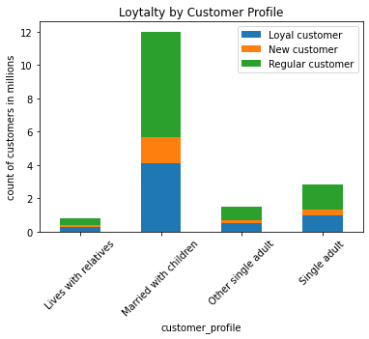

Loyal customers have higher spending habits and utilize mid and low-range products.
Over half of regular customers are also high spenders and buy more mid-range products.

5. Column derivations
 |  |  |  | Title page

Column derivations and aggregations

In this tab you should add tables below that the frequences of flags/label variables that you produced after deriving them. NB: don't do this for continuous variables, only for flags.
Dataset | New column | Column/s it was derived from | Conditions
ords_prods_merged | price_range_loc | prices | prices > 15 = High-range product, prices <= 15 & prices > 5 = Mid-range product, prices <= 5 = Low-range product
ords_prods_merged | busiest day | order_day_of_the_week | day = =0 - Busiest day, day == 4 - Least busy, else - Regular busy
ords_prods_merged | busiest_period_of_day | order_hour_of_day | range (8,18) = Most orders, range(2,5) = Fewest orders, else = Average orders
ords_prods_merged | loyalty_flag | max_order | max_order > 40 = Loyal customer, max_order <= 40 & max_order > 10 = Regular customer, max_order <= 10 = New customer
ords_prods_merged | spending_flag | avg_price | avg_price <= 10 = Low Spender, avg_price > 10 = High Spender
ords_prods_merged | frequency_flag | median_order | median_order > 20 = Non Frequent Customer, median_order > 10 & median_order <= 20 = Regular Customer, median_order <= 10 = Frequent Customer
active_customers_final | weekday | order_day_of_the_week | 0 = Saturday, 1 = Sunday, 2 = Monday, 3 = Tuesday, 4 = Wednesday, 5 = Thursday, 6 = Friday

7. Recommendations
 |  |  |  | Title page

Recommendations

In this tab you should include any recommendations you would made to Instcart in terms of their marketing strategy based on the questions posed in the brief. Every key question has been covered in the Tasks of the Exercises - here you need to add an item - a visualisation or table/crosstable that is showing the answer in the data, acompanied by a comment from you. Please, list the questions below and add the answer underneath.

Question | Answer
What are the busiest days of the week? | Saturday and Sunday are the busiest days of the week.

What are the busiest hours of the day? | 10am to 11am are the busiest hours of the day with another rise from 12pm - 3pm. Morning and lunchtime ads are more likely to be seen by Instacart customers.

Price ranges | On average customers spend in the $17 - $19 range, keeping prices within this range would attact more customers from each demographic. Average sale prices on Sunday are lower than other days. Advertising weekend sales could give customers more incentive to spend. There are more mid-range products than anything else. It could be useful to test out offering a few more high priced items on busier days to see how customers respond.
 | Low range products cost less than five dollars ($5), Mid-range products cost more than five dollars ($5) but equal to or less than fifteen dollars ($15), High-range products cost more than fifteen dollars ($15). | 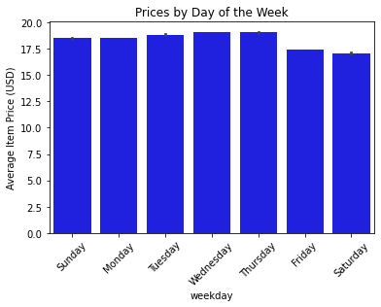 | 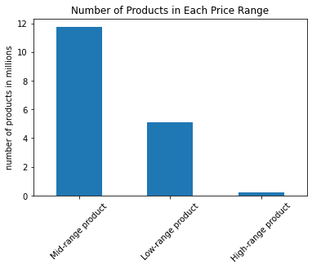

Are ther differences in ordering habits based on a customer's region? | There are more high spenders in the South. Customers in the Midwest order less than any other region and customers in the Northeast and West order more often. Marketing efforts planned for states in the South have a higher chance of generating more revenue. There is also a high chance for revenue gain in the Northeast with more research into what products those customers look for when using Instacart.

Are there differences in ordering habits based on a customer’s loyalty status? | Yes. Loyal customers are high spenders while new customers are low spenders.

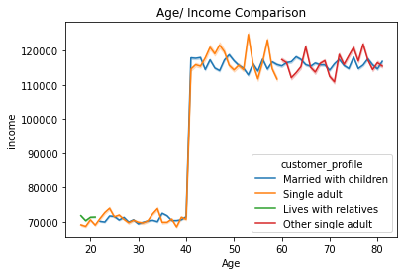
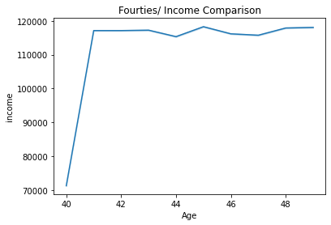
Why is there a spike in 40 year old income? | The data collection team should look into the data extracted to find out why incomes spiked at 40 years old. When I extracted income data for customers in their fourties income data looks more like an estimate because each year lists the same income amount for each customer. This could be a data collection issue or could be due to imputing data if values were missing when customers created their accounts.

 | The data collection team should look into the methods used when extracting customer income data. There are over 2,500 records for customers in their 40s so it seems this demographic is well represented in the extracted data. It seems like the income data may have been imputed because each age range has the same income amount for each customer. It would be helpful if the extraction team could review their methods for collecting customer incomes and potentially rerun them to see if they get a different result.

